MUHS NEW
Sanjivani Rural Education Societys
Sanjivani College Of Ayurveda & Research Centre
A/p-Khirdi Ganesh, Tal: Kopargaon Dist- Ahemadnagar
DETAILS OF NON TEACHING & OTHER STAFF
MUHS Mandate
Sr. NO | Code | Name of Employee | Father’s/ Husband's Name | Qualification | Date of Appointment | Nature of Appointment (Regular/Contractual /part time) | Designation | Appointed for UG/PG | Department | Name of Working Department | Remark | Photo
1 | SCOA&RC 01 | Mrs.Pooja Sangale | Shrikant | Diploma In Computer Technology & BE Computer | 01.01.2026 | Regular | IT Officer | UG | Information Technilogy cell incliding digital Library | Information Technilogy cell incliding digital Library |  | 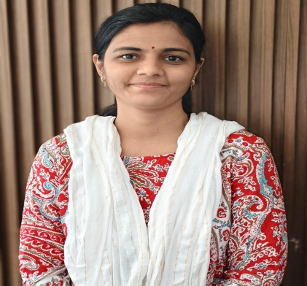
2 | SCOA&RC 02 | Ms.Rekha Gavare | Balasaheb | BBA | 01.01.2026 | Regular | IT Assist (WI-Fi Campus) | UG | Information Technilogy cell incliding digital Library | Information Technilogy cell incliding digital Library |  | 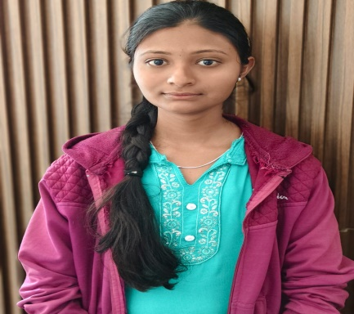
3 | SCOA&RC 03 | Mr.Uday Suralkar | Nanasaheb | 12th | 01.01.2026 | Contract | Multi Tasking Staff | UG | Information Technilogy cell incliding digital Library | Information Technilogy cell incliding digital Library |  | 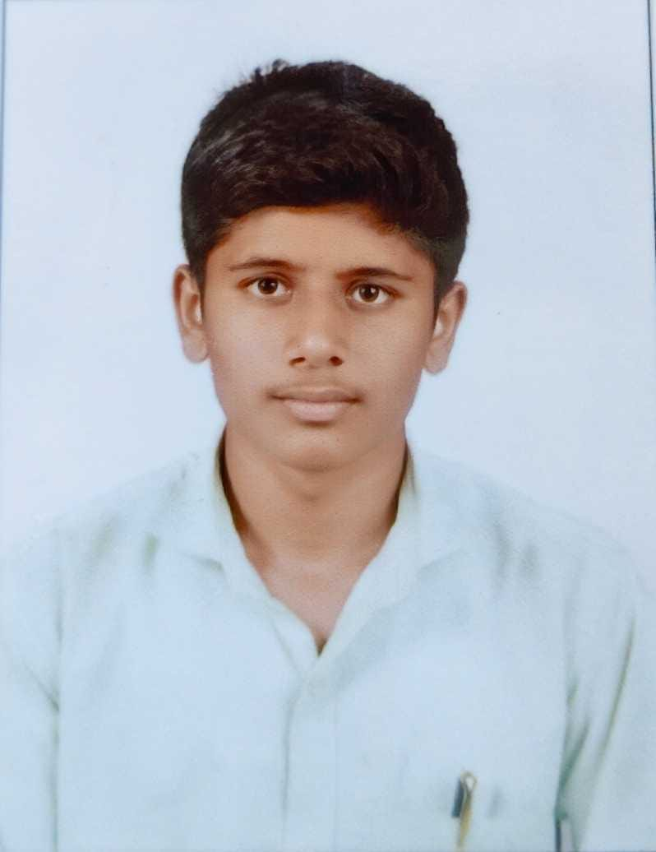
4 | SCOA&RC 04 | Mr Bhavsar Kiran | Motilal | M.Com, GDC&A | 09.06.2022 | Regular | Personal Assistant OR Perosnal Secretory To Principal | UG | Adminstration | Adminstration |  | 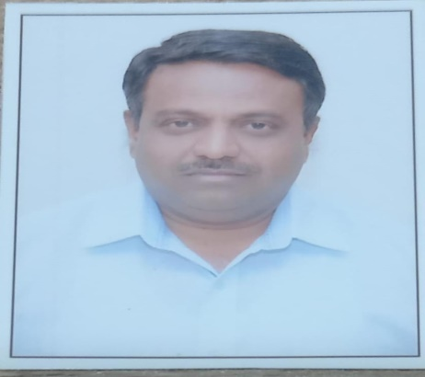
5 | SCOA&RC 05 | Mr Jagtap Pradip | Laxman | B.Com. | 01.03.2022 | Regular | Office Suptd. | UG | Adminstration | Adminstration |  | 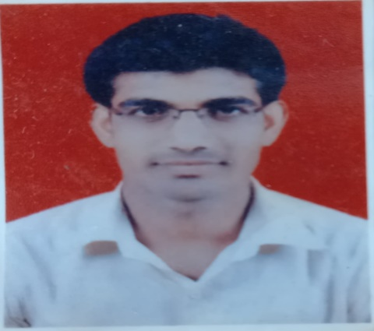
6 | SCOA&RC 06 | Mr Vagade Kishor | Dnyaneshwar | BA | 01.04.2023 | Regular | Clerk | UG | Adminstration | Adminstration |  | 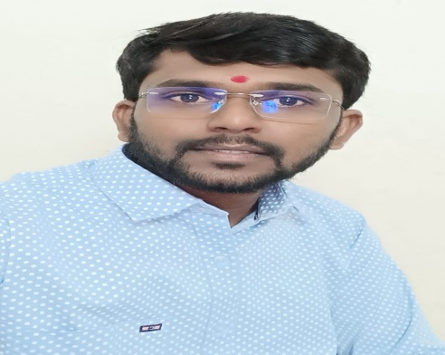
7 | SCOA&RC 07 | Mr Jarhad Satyavan | Dilip | BA | 01.03.2022 | Regular | Clerk | UG | Adminstration | Adminstration |  | 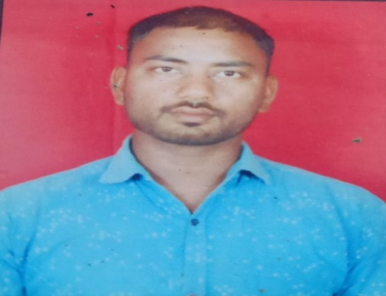
8 | SCOA&RC 08 | Mr Vijay Bhaskar | Vitthal | BA | 02.06.2025 | Regular | Clerk | UG | Adminstration | Adminstration |  | 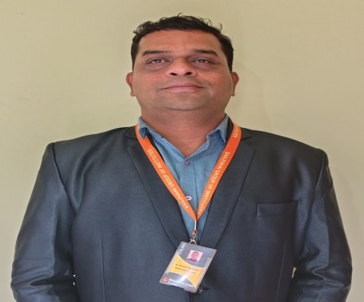
9 | SCOA&RC 09 | Mrs. Vanjari Darshana | Gajanana | BA | 18.06.2025 | Regular | Clerk | UG | Adminstration | Adminstration |  | 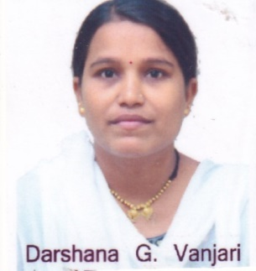
10 | SCOA&RC 10 | Mr Thombare Samadhan | Sampat | M.Com | 01.05.2024 | Regular | Accountant | UG | Adminstration | Adminstration |  | 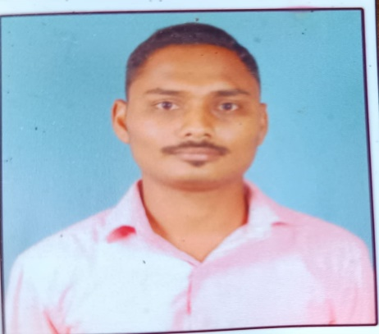
11 | SCOA&RC 11 | Mr.Jadhav Shubham | Sandip | BBA | 15.07.2025 | Regular | Clerk | UG | Adminstration | Adminstration |  | 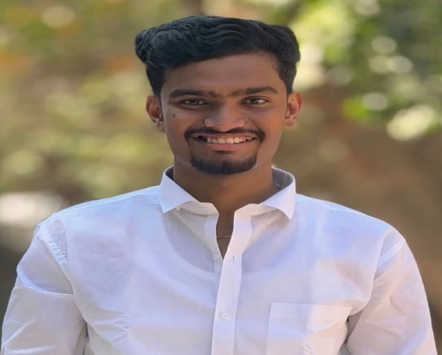
12 | SCOA&RC 12 | Mrs Thombare Ashwini | Sunil | BSc | 01.12.2025 | Regular | Clerk | UG | Adminstration | Adminstration |  | 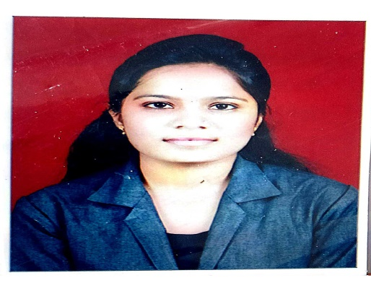
13 | SCOA&RC 13 | Mrs.Jyoti Kavade | Kadu | 9th | 01.12.2025 | Contract | Multi Tasking Staff | UG | Adminstration | Adminstration |  | 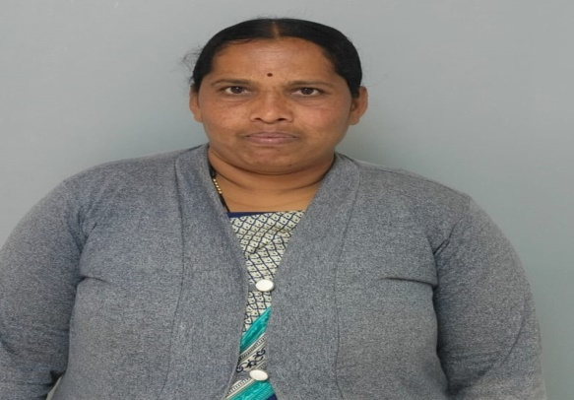
14 | SCOA&RC 14 | Mr.Piyush Nagarkar | Santosh | 12th | 01.01.2026 | Contract | Multi Tasking Staff | UG | Adminstration | Adminstration |  | 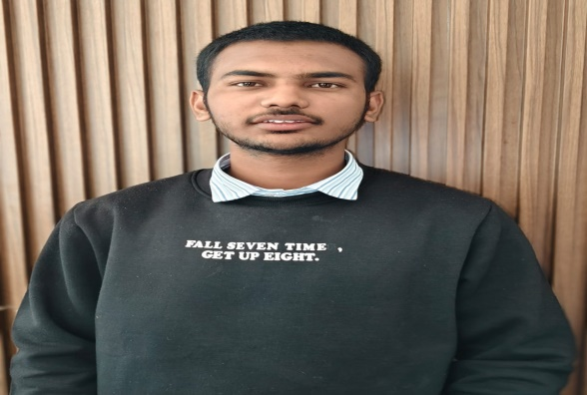
15 | SCOA&RC 15 | Mrs. Gunjal Bharti | Kiran | 12th | 01.12.2025 | Contract | Multi-tasking staff | UG | Adminstration | Adminstration |  | 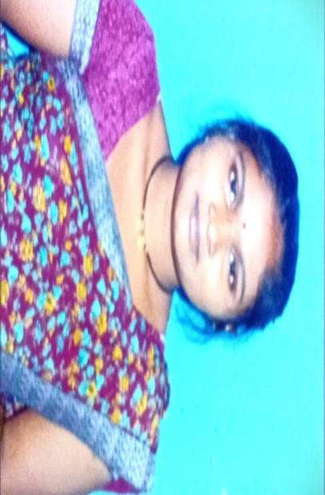
16 | SCOA&RC 16 | Mr..Rohit Ingale | Babasaheb | 12th | 01.12.2025 | Contract | Multi-tasking staff | UG | Adminstration | Adminstration |  | 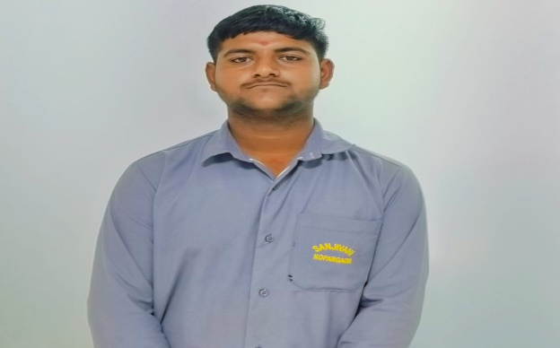
17 | SCOA&RC 17 | Mr Jadhav Pramod | Annasaheb | MA, M Lib. | 01.03.2022 | Regular | Librarian | UG | Library | Library |  | 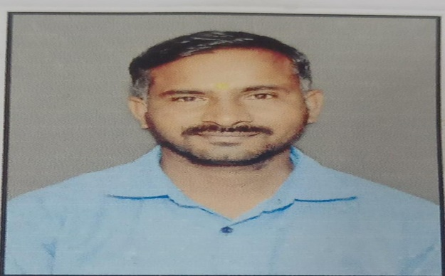
18 | SCOA&RC 18 | Mr Bhadange Gopal | Nana | BA, M Lib. | 07.01.2025 | Regular | Assist Librarian | UG | Library | Library |  | 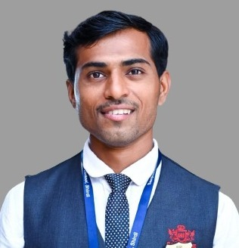
19 | SCOA&RC 19 | Mrs. Kurhe Anuradha | Anna | 10th | 01.07.2025 | Contract | Attendant | UG | Library | Library |  | 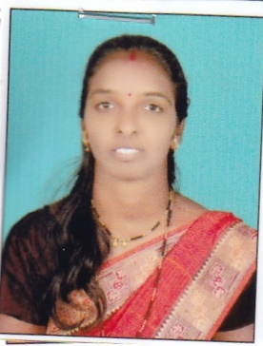
20 | SCOA&RC 20 | Mrs.Ashwini Paik | Sagar | 12th | 01.01.2026 | Contract | Multi Tasking Staff | UG | Library | Library |  | 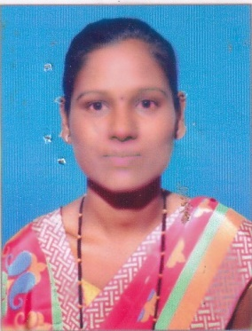
21 | SCOA&RC 68 | Dr.Atul Zolekar | Baban | BAMS,MD | 01.01.2026 | Regular | In-Charge | UG | Yogya-Clinical Skill Incharge OR Simulation Laboratory | Yogya-Clinical Skill Incharge OR Simulation Laboratory |  | 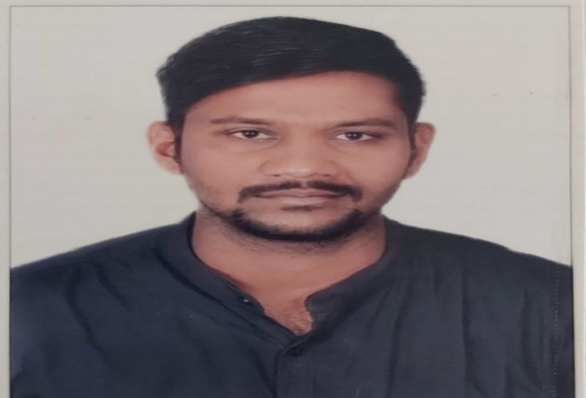
22 | SCOA&RC 21 | Mrs.Shital Tanpure | Krushna | 10th | 01.01.2026 | Contract | Multi-tasking staff | UG | Yogya-Clinical Skill Incharge OR Simulation Laboratory | Yogya-Clinical Skill Incharge OR Simulation Laboratory |  | 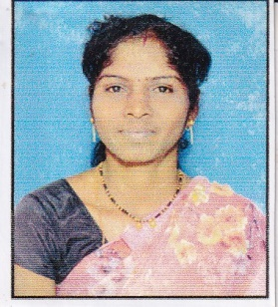
23 | SCOA&RC 22 | Dr.Pallavi Sapkale | Ramesh | BAMS,MD | 01.01.2026 | Contract | In-Charge | UG | Human resource development cell | Human resource development cell |  | 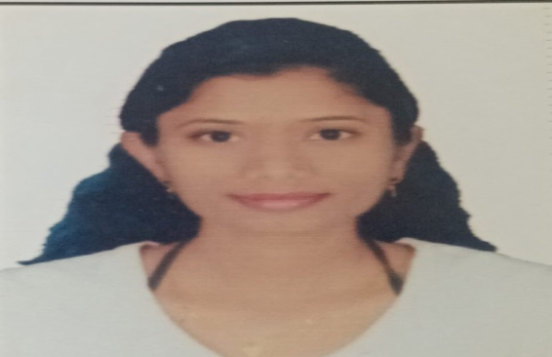
24 | SCOA&RC 23 | Mrs Saini Guruvinder | Raghubirsing | BA | 01.12.2025 | Regular | Clerk | UG | Human resource development cell | Human resource development cell |  | 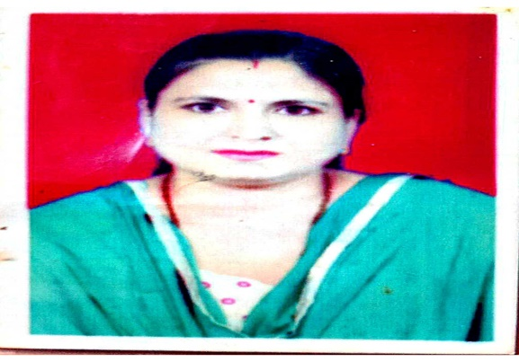
25 | SCOA&RC 24 | Mrs.Surekha Avhad | Sathish | 10th | 01.12.2025 | Contract | Multi-tasking staff | UG | Human resource development cell | Human resource development cell |  | 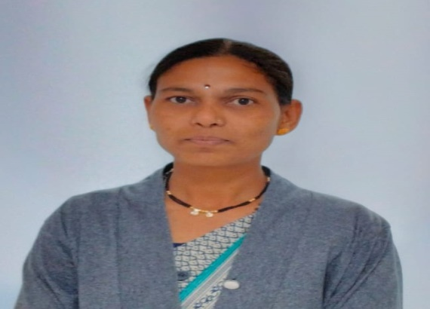
26 | SCOA&RC 25 | Mrs.Pallavi Gorhe | Kalpesh | BA | 01.01.2026 | Regular | Clerk | UG | Sharir Rachana, Kriya Sharir,&Samhita Siddhant | Sharir Rachana, Kriya Sharir,&Samhita Siddhant |  | 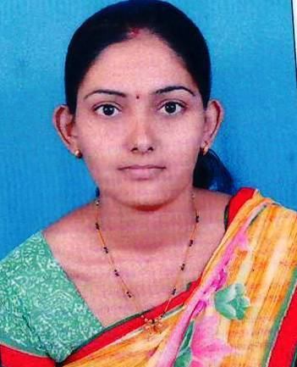
27 | SCOA&RC 26 | Mr.Pawar Hiraman | Gorakhnath | BA | 01.12.2025 | Regular | Clerk | UG | Dravyaguna,R S and B k,Roga Nidana,Agada Tantra & Swasthavritta and Yoga | Dravyaguna,R S and B k,Roga Nidana,Agada Tantra & Swasthavritta and Yoga |  | 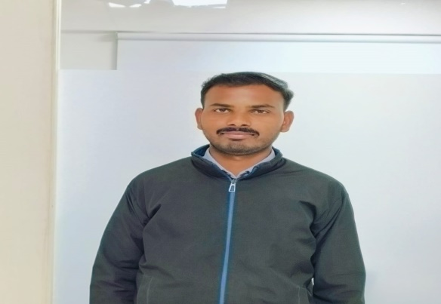
28 | SCOA&RC 27 | Anil Kolhe | Madhukar | BA | 01.12.2025` | Regular | Clerk | UG | Kayachikitsa,Panchakarma, Shalya Tantra,Shalakya Tantra Prasuti and Streeroga & Kaumarabhritya | Kayachikitsa,Panchakarma, Shalya Tantra,Shalakya Tantra Prasuti and Streeroga & Kaumarabhritya |  | 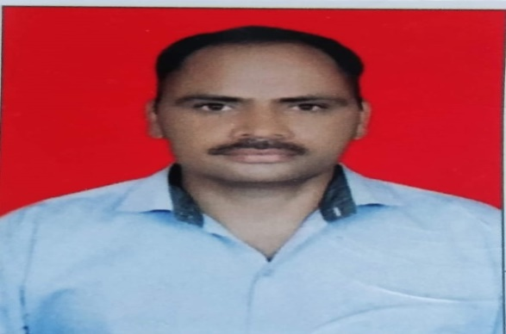
29 | SCOA&RC 28 | Mr.Sagar Chaudhari | Dnyaneshwar | 12th | 01.01.2026 | Contract | Multi-tasking staff | UG | Ayurveda Samhita Siddhant | Ayurveda Samhita Siddhant |  | 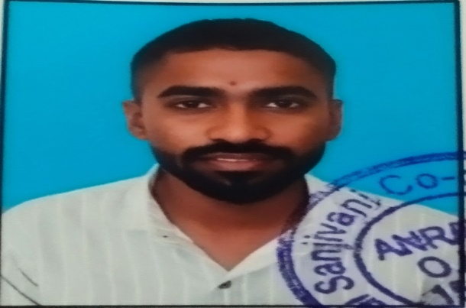
30 | SCOA&RC 29 | Mr Gaware Vishal | Balasaheb | 12th | 01.07.2025 | Contract | Lifter | UG | Sharir Rachana | Sharir Rachana |  | 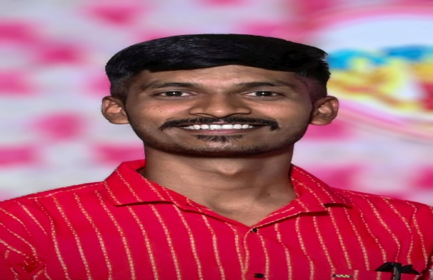
31 | SCOA&RC 30 | Mrs.Nirmal Aarti | Kusharam | 10th | 01.07.2025 | Contract | Lab Attendant cum Museum Keeper | UG | Sharir Rachana | Sharir Rachana |  | 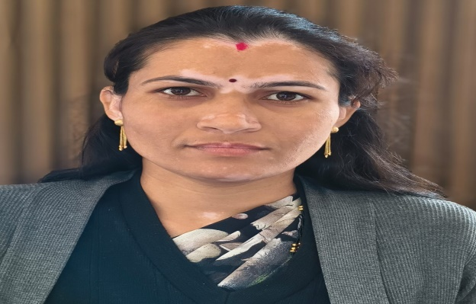
32 | SCOA&RC 31 | Mrs. Seema Pawar | Ashok | DLT/DMLT | 02.03.2026 | Regular | Lab Tech | UG | Kriya Sharir | Kriya Sharir |  | 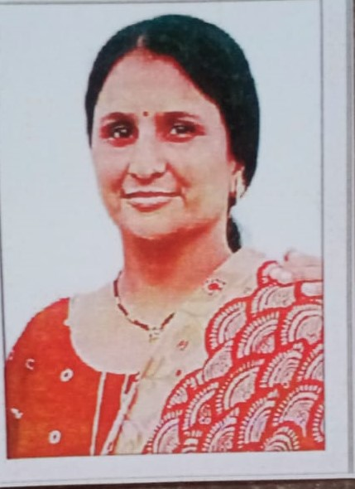
33 | SCOA&RC 32 | Ms.Bhagyashri Raktate | Kailash | BBA | 02.03.2026 | Contract | Lab Attendant | UG | Kriya Sharir | Kriya Sharir |  | 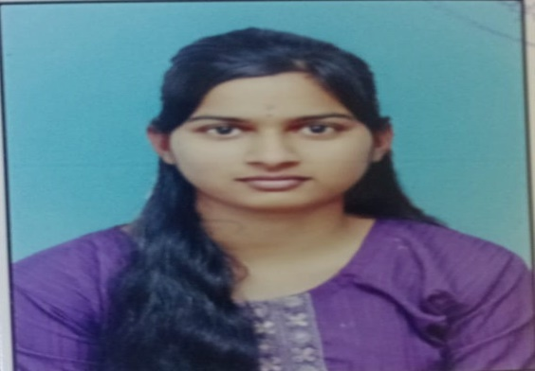
34 | SCOA&RC 34 | Mrs Chandar Komal | Santosh | 10th | 01.07.2025 | Contract | Lab Attendant | UG | Dravyaguna including Herbal Garden | Dravyaguna including Herbal Garden |  | 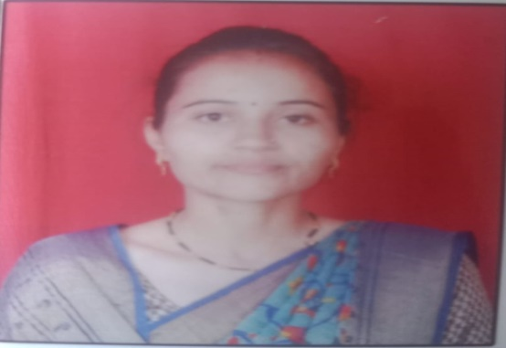
35 | SCOA&RC 35 | Ms Bhudhalkar Tejashvi | Gangadhar | 10th | 01.07.2025 | Contract | Gardener | UG | Dravyaguna including Herbal Garden | Dravyaguna including Herbal Garden |  | 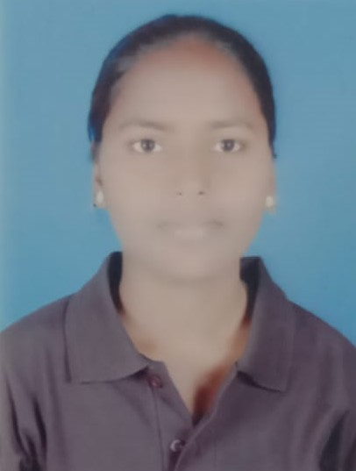
36 | SCOA&RC 36 | Mr.Manoj Kudale | Kashinath | D.Pharmacy | 05.02.2026 | Regular | Instructor | UG | R S and B k including teaching pharmacy | R S and B k including teaching pharmacy |  | 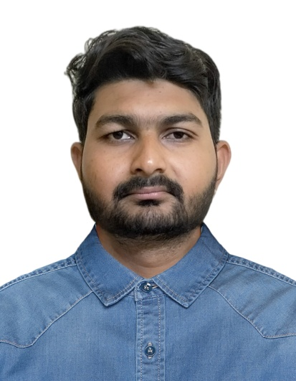
37 | SCOA&RC 37 | Mr Kahandal Ravindra | Sainath | 10th | 01.07.2025 | Contract | Lab Attendant cum Museum Keeper | UG | R S and B k including teaching pharmacy | R S and B k including teaching pharmacy |  | 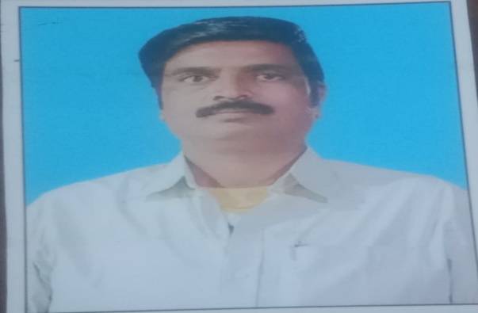
38 | SCOA&RC 39 | Mr.Shrikant Sanagale | Dilip | BA | 01.12.2026 | Regular | Clerk | UG | Quality Control Laboratory | Quality Control Laboratory |  | 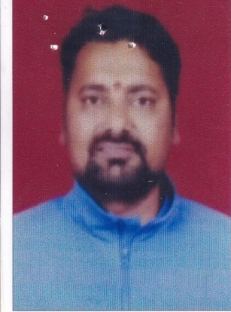
39 | SCOA&RC 40 | Mr Kadam Rohit | Changdeo | 10th | 01.07.2025 | Contract | Lab Attendant | UG | Quality Control Laboratory | Quality Control Laboratory |  | 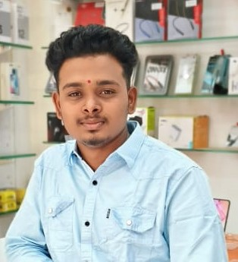
40 | SCOA&RC 41 | Mr Bhalla Sumit | Rajesh | BSc, DMLT | 01.01.2024 | Regular | Lab Tech | UG | Roga Nidana and Vikriti Vijnana | Roga Nidana and Vikriti Vijnana |  | 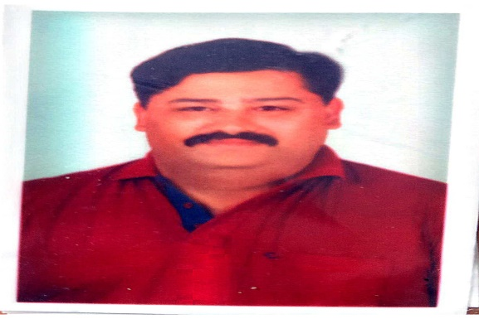
41 | SCOA&RC 42 | Mr.Sonwane Jagdish | Shantaram | 12th | 05.08.2025 | Contract | Lab Attendant Cum Museum Keeper | UG | Roga Nidana and Vikriti Vijnana | Roga Nidana and Vikriti Vijnana |  | 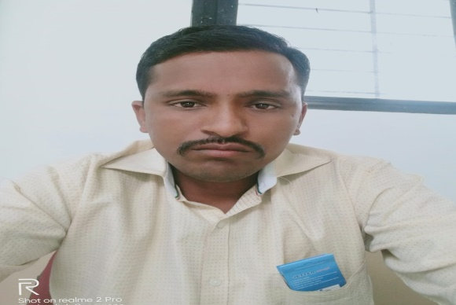
42 | SCOA&RC 43 | Mr Navgire Valmik | Gorakh | BSc, DMLT | 01.01.2024 | Regular | Lab Technician | UG | Agada Tantra | Agada Tantra | 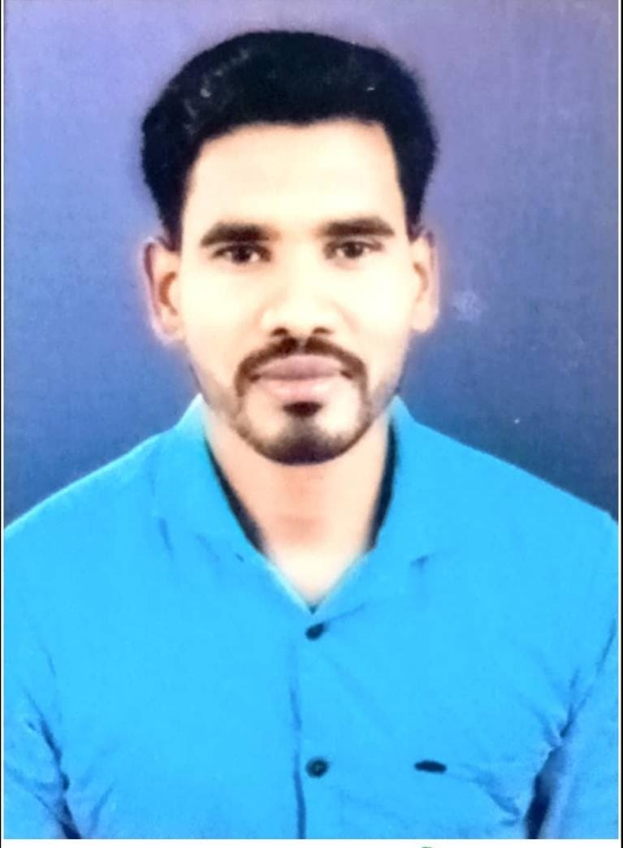
43 | SCOA&RC 44 | Mr Chaudhari Vijay | Dnyaneshwar | 12th | 01.07.2025 | Contract | Lab Attendant cum Museum keeper | UG | Agada Tantra | Agada Tantra |  | 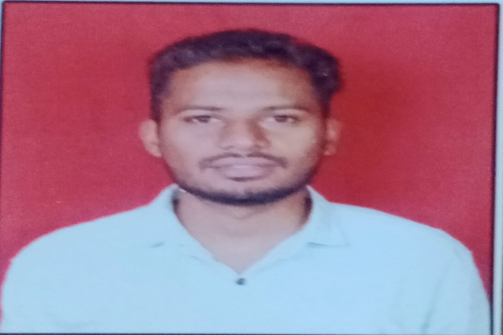
44 | SCOA&RC 45 | Mrs.Roshani Dhanwate | Ganesh | 12th Sci | 01.01.2026 | Regular | Lab Tech | UG | Swasthavritta and Yoga | Swasthavritta and Yoga |  | 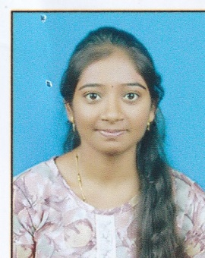
45 | SCOA&RC 46 | Mrs.Mohini Bhuse | Vishal | 12th | 01.01.2026 | Contract | Lab Attendant cum Museum Keeper | UG | Swasthavritta and Yoga | Swasthavritta and Yoga |  | 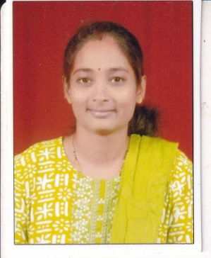
46 | SCOA&RC 47 | Mr.Shyamsundar Jagtap | Sampat | Bachelor of Ayurvedic Medicine and Surgery | 01.12.2025 | Regular | Yoga Instructor (Male) | UG | Swasthavritta and Yoga | Swasthavritta and Yoga |  | 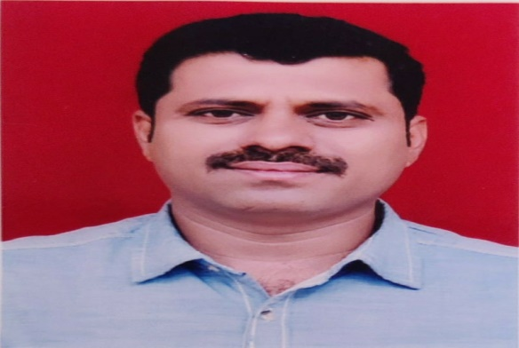
47 | SCOA&RC 48 | Dr.Karale Sheetal | Dattatreya | BAMS | 01.01.2026 | Regular | Yoga Instructor (Female) | UG | Swasthavritta and Yoga | Swasthavritta and Yoga |  | 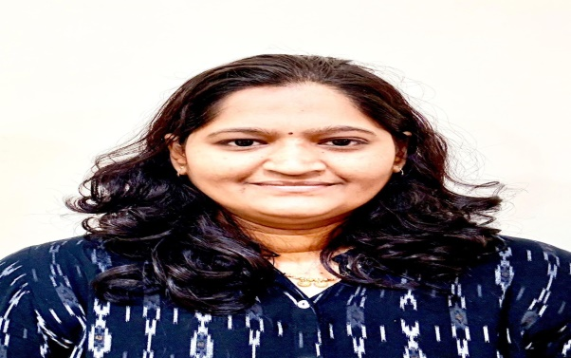
48 | SCOA&RC 49 | Mrs.Yogita Devkar | Navnath | 10th | 01.01.2026 | Contract | Multi-tasking staff | UG | Kayachikitsa | Kayachikitsa |  | 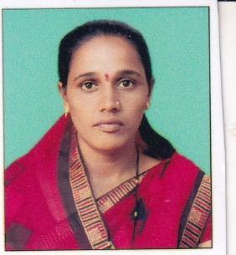
49 | SCOA&RC 50 | Mr.Chaitnya Telange | Ravindra | 12th | 01.01.2026 | Contract | Multi-tasking staff | UG | Panchakarma | Panchakarma |  | 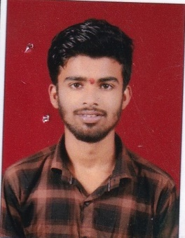
50 | SCOA&RC 51 | Mr.Sail Lokhande | Arun | 10th | 01.01.2026 | Contract | Multi-tasking staff | UG | Shalya Tantra | Shalya Tantra |  | 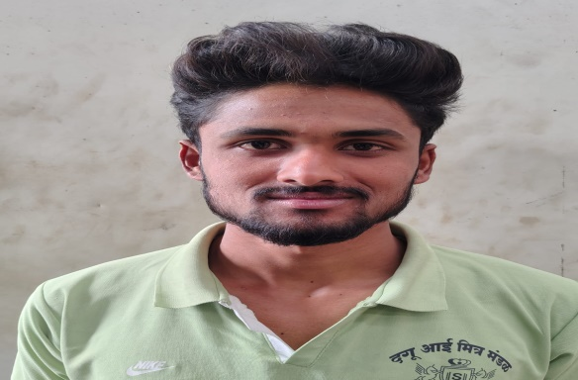
51 | SCOA&RC 52 | Mr.Sahil Pagare | Dinesh | 10th | 01.01.2026 | Contract | Multi-tasking staff | UG | Shalakya Tantra | Shalakya Tantra |  | 
52 | SCOA&RC 53 | Mrs.Rohini Paik | Manoj | 10th | 01.01.2026 | Contract | Multi-tasking staff | UG | Prasuti and Streeroga | Prasuti and Streeroga |  | 
53 | SCOA&RC 54 | Mrs.Pooja Mathure | Sachin | 9th | 01.12.2025 | Contract | Multi-tasking staff | UG | Kaumarabhritya | Kaumarabhritya |  | 
54 | SCOA&RC 55 | Mr.Gaurav Deokar | Tatasaheb | MBA | 04.03.2026 | Contract | Coordinator | UG | Internal Quality Assurance Cell | Internal Quality Assurance Cell |  | 
55 | SCOA&RC 56 | Mr.Abhishek Chaudhari | Ishwar | BA | 01.01.2026 | Contract | Clerk | UG | Internal Quality Assurance Cell | Internal Quality Assurance Cell |  | 
56 | SCOA&RC 57 | Mr.Aditya Sabale | Bhimrao | 10th | 01.01.2026 | Contract | Multi-tasking staff | UG | Internal Quality Assurance Cell | Internal Quality Assurance Cell
57 | SCOA&RC 58 | Mr.Mithun Bansod | Duryodhan | Bachelor in Physical Education | 02.03.2026 | Part Time | Physical Education Instructor | UG | Co and extra-Curricular activities | Co and extra-Curricular activities
58 | SCOA&RC 59 | Mr.Ganesh Dhanwate | Chandrakant | 12th | 01.01.2026 | Contract | Multi-tasking staff | UG | Co and extra-Curricular activities | Co and extra-Curricular activities
59 | SCOA&RC 60 | Mr.Pankaj Kavishwar | Pralhad | BHMS | 01.12.2025 | Part Time | Councillor | UG | Student support career guidance and placement cell | Student support career guidance and placement cell
60 | SCOA&RC 61 | Mr Mhaske Rohit | Subhasrao | BE, Civil | 01.11.2025 | Regular | Site Engineer | UG | Central Workshop or Maintenance cell | Central Workshop or Maintenance cell
61 | SCOA&RC 62 | Mr Bhuse Anandrao | Gangadhar | ITI | 02.05.2025 | Regular | Electrician | UG | Central Workshop or Maintenance cell | Central Workshop or Maintenance cell
62 | SCOA&RC 63 | Mr.Kishor Jadhav | Anna | ITA | 01.01.2026 | Contract | Plumber | UG | Central Workshop or Maintenance cell | Central Workshop or Maintenance cell
63 | SCOA&RC 64 | Mr.Sudarshan Bhalerav | Subhash | ITA | 01.01.2026 | Contract | Carpenter | UG | Central Workshop or Maintenance cell | Central Workshop or Maintenance cell
64 | SCOA&RC 65 | Mrs.Jaishari Sendar | Subhash | 12th | 01.01.2026 | Contract | Multi-tasking staff | UG | Central Workshop or Maintenance cell | Central Workshop or Maintenance cell
65 | SCOA&RC 66 | Mr Singar Satyajit | Mahendra | MBA | 18.06.2025 | Regular | Clerk | UG | Store (College) | Store (College)
66 | SCOA&RC 67 | Mr.Kiran Aher | Nanasaheb | 10th | 01.12.2025 | Contract | Multi-tasking staff | UG | Store (College) | Store (College)

